Sheet1
Location | Sub:1:Ln:1 | Sub:1:Ln:1-11 | Sub:2:Ln:2 | Sub:2:Ln:3 | Sub:2:Ln:4 | Sub:3:Ln:5 | Sub:3:Ln:6 | Sub:3:Ln:7 | Sub:4:Ln:8 | Sub:4:Ln:4-6 | Sub:4:Ln:9 | Sub:5:Ln:10 | Sub:5:Ln:11 | Sub:5:Ln:12 | Sub:6:Ln:4-6 | Sub:6:Ln:13 | Sub:6:Ln:14 | Sub:6:Gen:Gen1 | Sub:7:Ln:15 | Sub:7:Ln:16 | Sub:7:Gen:Gen2 | Sub:8:Ln:17 | Sub:8:Ln:18 | Sub:8:Ln:19 | Sub:8:Gen:Gen1 | Sub:9:Ln:20 | Sub:9:Ln:21 | Sub:10:Ln:22 | Sub:10:Ln:23 | Sub:10:Ln:24 | Sub:11:Ln:25 | Sub:11:Ln:1-11 | Sub:12:Ln:26 | Sub:12:Ln:27 | Sub:12:Ln:28
Index of max | 204 | 204 | 1 | 1 | 1 | 2 | 2 | 2 | 203 | 203 | 203 | 1 | 1 | 1 | 204 | 204 | 204 | 204 | 203 | 203 | 203 | 2 | 2 | 2 | 2 | 204 | 2 | 1 | 1 | 1 | 203 | 203 | 1 | 1 | 1
Normalized mag of max | 0.373 | 0.373 | 5.181 | 5.172 | 5.181 | 0.59 | 0.59 | 0.59 | 0.372 | 0.372 | 0.372 | 1.284 | 1.283 | 1.289 | 0.506 | 0.506 | 0.506 | 0.506 | 0.697 | 0.697 | 0.697 | 0.352 | 0.351 | 0.351 | 0.351 | 0.158 | 0.161 | 0.706 | 0.7 | 0.706 | 0.469 | 0.47 | 0.939 | 0.943 | 0.939
Num cycles | 51.8 | 51.8 | 10565.3 | 10565.3 | 10565.3 | 5282.6 | 5282.6 | 5282.6 | 52 | 52 | 52 | 10565.3 | 10565.3 | 10565.3 | 51.8 | 51.8 | 51.8 | 51.8 | 52 | 52 | 52 | 5282.6 | 5282.6 | 5282.6 | 5282.6 | 51.8 | 5282.6 | 10565.3 | 10565.3 | 10565.3 | 52 | 52 | 10565.3 | 10565.3 | 10565.3
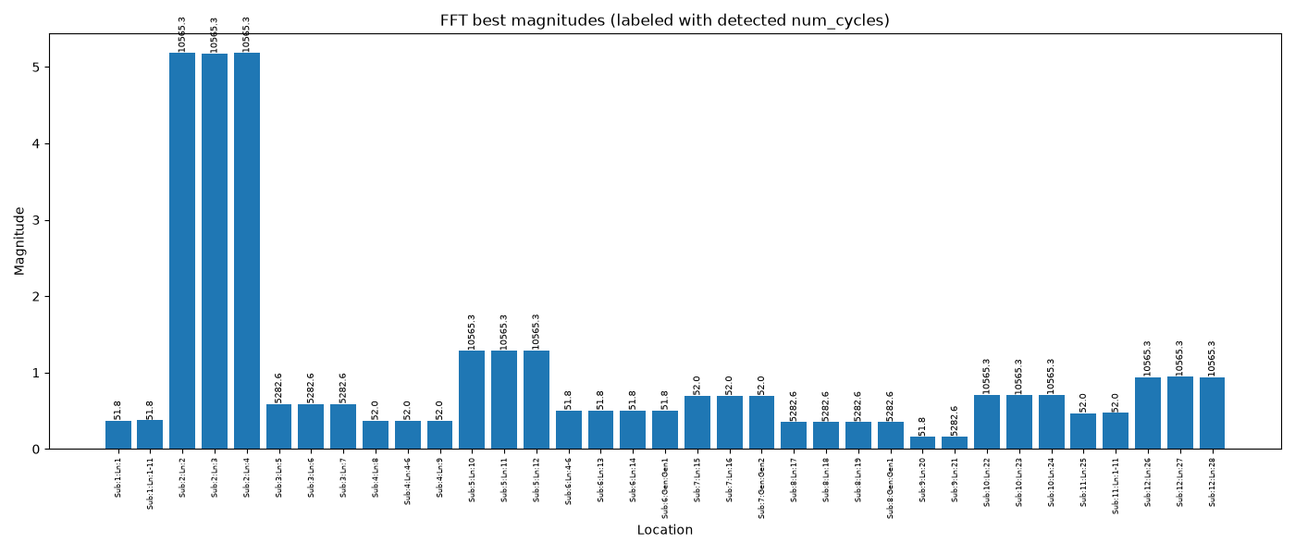
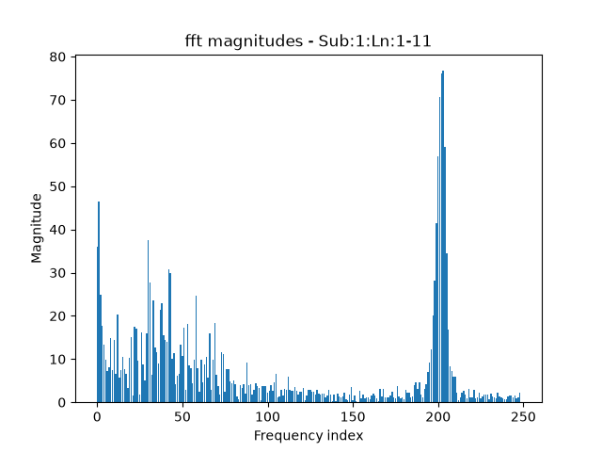
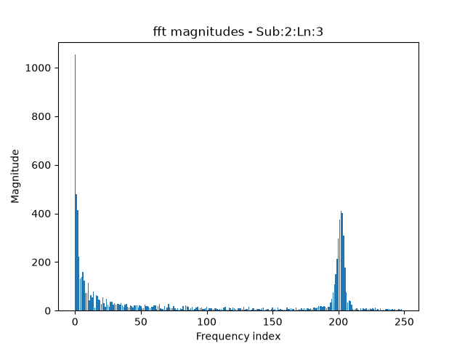

after starting at 5
Location | Sub:1:Ln:1 | Sub:1:Ln:1-11 | Sub:2:Ln:2 | Sub:2:Ln:3 | Sub:2:Ln:4 | Sub:3:Ln:5 | Sub:3:Ln:6 | Sub:3:Ln:7 | Sub:4:Ln:8 | Sub:4:Ln:4-6 | Sub:4:Ln:9 | Sub:5:Ln:10 | Sub:5:Ln:11 | Sub:5:Ln:12 | Sub:6:Ln:4-6 | Sub:6:Ln:13 | Sub:6:Ln:14 | Sub:6:Gen:Gen1 | Sub:7:Ln:15 | Sub:7:Ln:16 | Sub:7:Gen:Gen2 | Sub:8:Ln:17 | Sub:8:Ln:18 | Sub:8:Ln:19 | Sub:8:Gen:Gen1 | Sub:9:Ln:20 | Sub:9:Ln:21 | Sub:10:Ln:22 | Sub:10:Ln:23 | Sub:10:Ln:24 | Sub:11:Ln:25 | Sub:11:Ln:1-11 | Sub:12:Ln:26 | Sub:12:Ln:27 | Sub:12:Ln:28
Index of max | 204 | 204 | 203 | 203 | 203 | 9 | 9 | 9 | 203 | 203 | 203 | 203 | 203 | 203 | 204 | 204 | 204 | 204 | 203 | 203 | 203 | 203 | 203 | 203 | 203 | 204 | 204 | 203 | 203 | 203 | 203 | 203 | 203 | 203 | 203
Normalized mag of max | 0.373 | 0.373 | 2.02 | 2.02 | 2.02 | 0.17 | 0.17 | 0.17 | 0.372 | 0.372 | 0.372 | 0.796 | 0.796 | 0.798 | 0.506 | 0.506 | 0.506 | 0.506 | 0.697 | 0.697 | 0.697 | 0.276 | 0.276 | 0.276 | 0.276 | 0.158 | 0.159 | 0.603 | 0.603 | 0.603 | 0.469 | 0.47 | 0.789 | 0.789 | 0.789
Num cycles | 51.8 | 51.8 | 52 | 52 | 52 | 1173.9 | 1173.9 | 1173.9 | 52 | 52 | 52 | 52 | 52 | 52 | 51.8 | 51.8 | 51.8 | 51.8 | 52 | 52 | 52 | 52 | 52 | 52 | 52 | 51.8 | 51.8 | 52 | 52 | 52 | 52 | 52 | 52 | 52 | 52
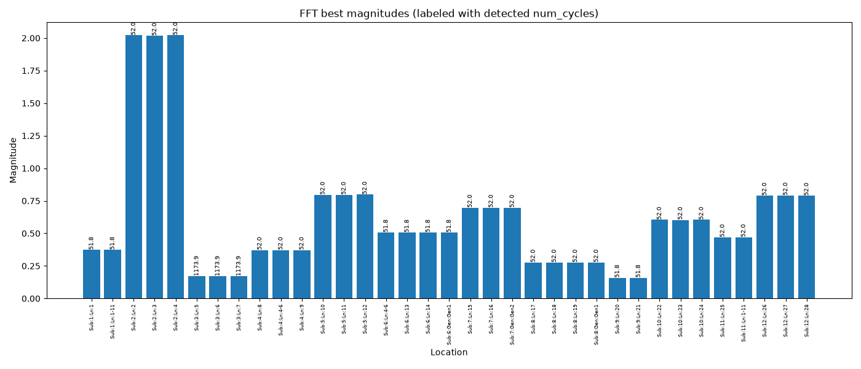

after starting at 10 (correct)
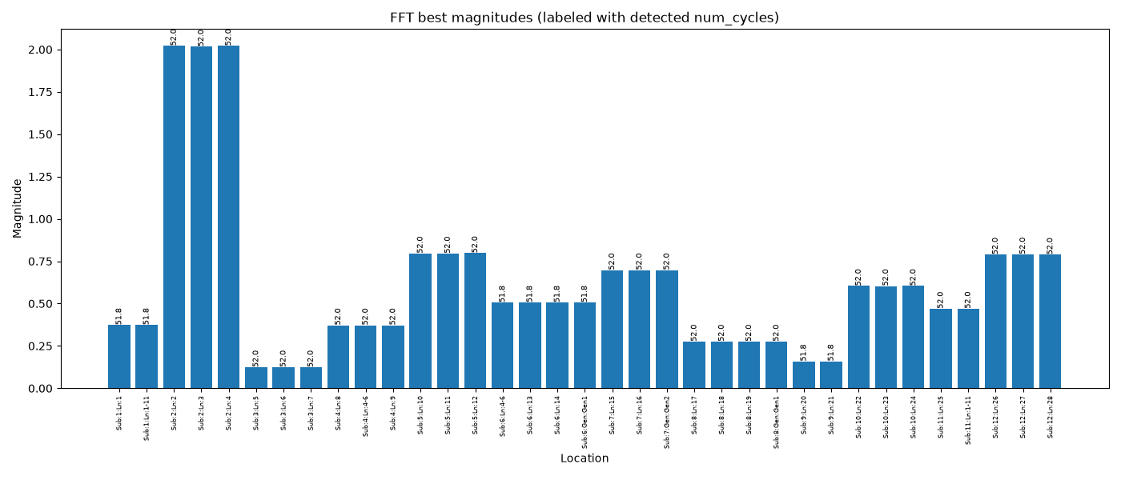

locations with lowest magnitudes: |  |  |  |  |  |  |  |  | locations with highest magnitudes:
 | Sub:3:Ln:5
 | 205.9134
 | 205.9048
 | 205.9072
 | 205.91
 | 205.9045
 | 205.908
 | 205.8926
 | 205.9075
 | 205.9139
 | 205.9118
 | 205.8995
 | 205.9069
 | 205.9057
 | 205.9048
 | 205.8954
 | 205.8951
 | 205.8952
 | 205.8955
 | 205.8872
 | 205.8986
 | 205.8909
 | 205.9029
 | 205.8957
 | 205.9083
 | 205.9017
 | 205.8954
 | 205.8997
 | 205.9031
 | 205.9068
 | 205.9108
 | 205.906
 | 205.9014
 | 205.9063
 | 205.9115
 | 205.9079
 | 205.9239
 | 205.9208
 | 205.9272
 | 205.934
 | 205.9309
 | 205.9382
 | 205.9358
 | 205.9336
 | 205.9318
 | 205.9312
 | 205.9401
 | 205.9393
 | 205.9388
 | 205.9386
 | 205.9488
...
 | Sub:2:Ln:2
 | 204.8528
 | 204.8431
 | 204.8403
 | 204.8416
 | 204.8527
 | 204.8415
 | 204.8328
 | 204.8413
 | 204.8425
 | 204.8404
 | 204.8385
 | 204.8502
 | 204.8489
 | 204.8629
 | 204.8678
 | 204.8691
 | 204.8612
 | 204.8612
 | 204.8593
 | 204.8655
 | 204.8624
 | 204.869
 | 204.8704
 | 204.8682
 | 204.8662
 | 204.8645
 | 204.871
 | 204.8659
 | 204.8649
 | 204.8549
 | 204.8559
 | 204.8665
 | 204.8612
 | 204.871
 | 204.8675
 | 204.8778
 | 204.8748
 | 204.8815
 | 204.8831
 | 204.881
 | 204.8924
 | 204.8949
 | 204.8893
 | 204.8881
 | 204.8861
 | 204.8762
 | 204.885
 | 204.888
 | 204.8914
 | 204.8908
...

 |  |  |  |  |  |  |  |  |  |  |  |  |  |  |  |  |  |  | *note: sub2 has significantly higher magnitude, not sure why

 | Sub:9:Ln:20
 | 206.6733
 | 206.6851
 | 206.6608
 | 206.6804
 | 206.6752
 | 206.6853
 | 206.6775
 | 206.6701
 | 206.6748
 | 206.6765
 | 206.6718
 | 206.6724
 | 206.6768
 | 206.6646
 | 206.6574
 | 206.671
 | 206.6577
 | 206.6685
 | 206.6592
 | 206.6566
 | 206.6583
 | 206.6443
 | 206.6494
 | 206.6485
 | 206.6233
 | 206.6326
 | 206.6409
 | 206.6437
 | 206.6371
 | 206.6284
 | 206.6402
 | 206.6582
 | 206.6574
 | 206.6461
 | 206.6541
 | 206.6623
 | 206.66
 | 206.6676
 | 206.6573
 | 206.6702
 | 206.6547
 | 206.6571
 | 206.6688
 | 206.6477
 | 206.6692
 | 206.6745
 | 206.6801
 | 206.6673
 | 206.678
 | 206.6762
...

 | Sub:5:Ln:10
 | 205.3356
 | 205.3356
 | 205.3293
 | 205.3229
 | 205.3293
 | 205.3293
 | 205.3229
 | 205.3229
 | 205.3229
 | 205.3229
 | 205.3229
 | 205.3229
 | 205.3293
 | 205.3229
 | 205.3293
 | 205.3293
 | 205.3293
 | 205.3293
 | 205.3293
 | 205.3293
 | 205.3293
 | 205.3293
 | 205.3293
 | 205.3293
 | 205.3293
 | 205.3229
 | 205.3293
 | 205.3293
 | 205.3293
 | 205.3293
 | 205.3293
 | 205.3229
 | 205.3293
 | 205.3356
 | 205.3356
 | 205.3356
 | 205.3356
 | 205.3419
 | 205.3482
 | 205.3482
 | 205.3482
 | 205.3545
 | 205.3482
 | 205.3482
 | 205.3482
 | 205.3482
 | 205.3419
 | 205.3482
 | 205.3545
 | 205.3545
...

*note: even though there isnt clear oscillation for these locations, with spectrum cutoff = 10 they still produce ~26

